Evaluation
Seller Finance Eval (FOR CLOSER DEALS)
Criteria | Values | Meets Critera?
Minimum $200+/month Cashflow | $500 | Yes
Max Offer Price of $500k | $100,000 | Yes
Minimum Cash on Cash 13+% | 44.47% | Yes
Max Down Payment 15% | 6.50% | Yes
Max Entry/Offer 15% | 13.50% | Yes
Max Interest Rate 4% | 0.00% | Yes
Minimum Balloon 5 Year | 7 | Yes |  |  | This will automatically evaluate your creative deals to see if it meets the Closer requirements. This is not a requirement for all deals, just those if you want help from a Closer.
 | Offers | List | Profit Amt $ | Profit %
Seller Proft with Offer | $100,000 | $80,000 | $20,000.00 | 25.00%

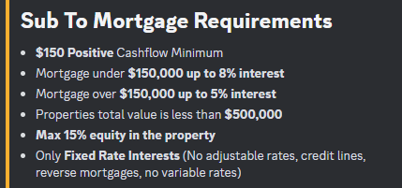
Subto Eval (FOR CLOSER DEALS)
Criteria | Values | Meets Critera?
Minimum $150+/month Cashflow | #N/A | #N/A
Loan 1 <= $150,000, Max 8% | #N/A | #N/A
Loan 1 >= $150,000 Max 5% | #N/A | #N/A
Loan 2 <= $150,000, Max 8% | #N/A | #N/A
Loan 2 >= $150,000 Max 5% | #N/A | #N/A
Loan 3 <= $150,000, Max 8% | #N/A | #N/A
Loan 3 >= $150,000 Max 5% | #N/A | #N/A
Max Equity of 15% | #N/A | #N/A
Minimum Cash on Cash 13+% | #N/A | #N/A
Max Down Payment 15% | #N/A | #N/A
Max Entry/Offer 15% | #N/A | #N/A
Minimum Balloon 5 Year | #N/A | #N/A
 | List Price - Cost | Profit Total | Profit % | Diff $ Offer/List
Seller Profit at List | #N/A | #N/A | #N/A
Seller Proft with Offer | #N/A | #N/A | #N/A | #N/A

